Sheet1
Bike Route Signs

These signs are for the bike route that is within Morgantown City limits but excludes the WVU campus and state highways within the City limits.
Good signage practice recommends that a sign be placed in advance of a turn or intersection (advance warning), at the turn or intersection and after the turn or intersection (confirmation). Because of the somewhat short distances between most intersections within City limits advance warning signs are not included. Confirmation signs are included only in instances of long distances between intersections or at locations that unintentional straying from the route is likely.
Referring to the bike route map, http://dl.dropbox.com/u/463685/Test.kmz , the bike route is marked wtih green, blue, brown and red lines segments. Green segments are pleasant; blue segments are OK, brown sebments are scary and red segments are dangerous. The bike route signs and their associated arrows in this worksheet are for green and blue segments.
Type | Image | Unit Price | Number | Total cost
D11-1 | Bike Route | $17.07 | 143 | $2,441.01
M5-1L | Left Ell Arrow | $13.91 |  | $-
M5-1R | Right Ell Arrow | $13.91 |  | $-
M5-2L | Left veer arrow | $13.91 | 3 | $41.73
M5-2R | Right veer arrow | $13.91 | 1 | $13.91
M6-1 | Left or Right Arrow | $13.91 | 51 | $709.41
M6-2R | Right angle arrow | $13.91 |  | $-
M6-2L | Left angle arrow | $13.91 |  | $-
M6-3 | Up Arrow | $13.91 | 8 | $111.28
M6-4 | Two way arrow (tee) | $13.91 | 17 | $236.47
M6-5R | Diag. arrow up to right | $13.91 | 3 | $41.73
M6-5L | Diag. arrow up to left | $13.91 | 1 | $13.91
M6-6R | Two-headed arrow: up and right | $13.91 | 8 | $111.28
M6-6L | Two-headed arrow: up and left | $13.91 | 7 | $97.37
M6-7L | Two-headed arrow: up and diag. to left | $13.91 | 1 | $13.91

 |  |  |  | $3,832.01

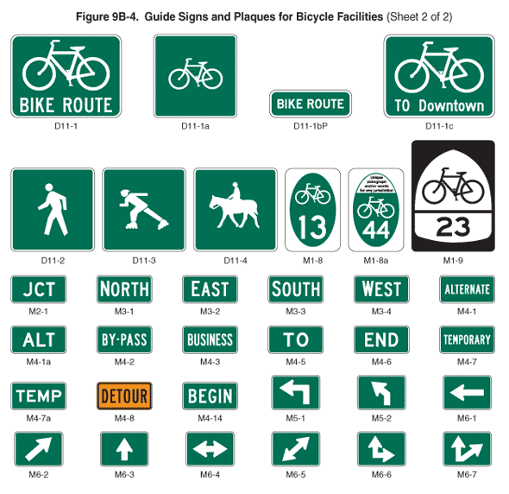
Damien's list |  |  |  |  | MUTCD figure
W11-1 30x30 - Bicycle $34.16ea |  |  |  |  | 9B-3
W16-1P 18x24 - Share the road $17.96ea |  |  |  |  | 9B-3

D11-1 24x18 - Bike route $17.07 |  |  |  |  | 9B-4
M4-14 24x12 - Begin $13.54 |  |  |  |  | 9B-4
M4-6 24x12 - End $15.54ea |  |  |  |  | 9B-4
M5-1 21x15 - Left Arrow $13.91ea |  |  |  |  | 9B-4
M5-2 21x15 - Left angle arrow $13.91ea |  |  |  |  | 9B-4
M6-1 21x15 - Arrow $13.91ea |  |  |  |  | 9B-4
M6-2 21x15 - Arrow $13.91ea |  |  |  |  | 9B-4
M6-3 21x15 - Arrow $13.91ea |  |  |  |  | 9B-4

R4-4 36x30 - Yield to bikes $40.39ea |  |  |  |  | 9B-2
R3-17 30x24 - Bike lane $27.93 |  |  |  |  | 9B-2

